Story Response

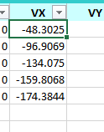
TABLE: Story Response
Story | Elevation | Location | X-Dir | Y-Dir
 | m |  | tonf | tonf
Story5 | 16.8 | Top | 48.3025 | 0 | 48.3025
Story4 | 13.6 | Top | 48.6044 | 0 | 96.9069
Story3 | 10.4 | Top | 37.1681 | 0 | 134.075
Story2 | 7.2 | Top | 25.7318 | 0 | 159.8068
Story1 | 4 | Top | 14.5776 | 0 | 174.3844
Base | 0 | Top | 0 | 0

